10166579
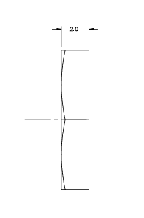
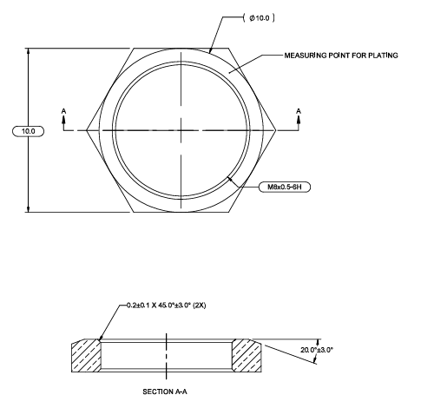
B
Measurement Records
Company name: Mano Engineering LLC
Part No. | A | B | C
1 | 10.03 | 2.08 | 16.876111111
2 | 10.04 | 2.1 | 16.603055556
3 | 10.02 | 2.03 | 17.035555556
4 | 10.05 | 2.11 | 17.8125
A
5 | 10.03 | 2.04 | 17.681111111
6 | 10.04 | 2.08 | 17.888055556
7 | 9.99 | 2.1 | 17.901944444
8 | 9.98 | 2.05 | 17.536666667
9 | 10.03 | 2.12 | 17.4475
10 | 10.05 | 2.07 | 17.586944444

C

Note 1: | For measurement B of part 4, if push hard enough the measurement goes down to 2.07

Note 2: | For measurement B of part 4, if push hard enough the measurement goes down to 2.07

Note 3: | On VMM, when placing a nut on the glass surface, there migh be some ankle introduced making the nut not fully perpendicular to the surface

